Metadata
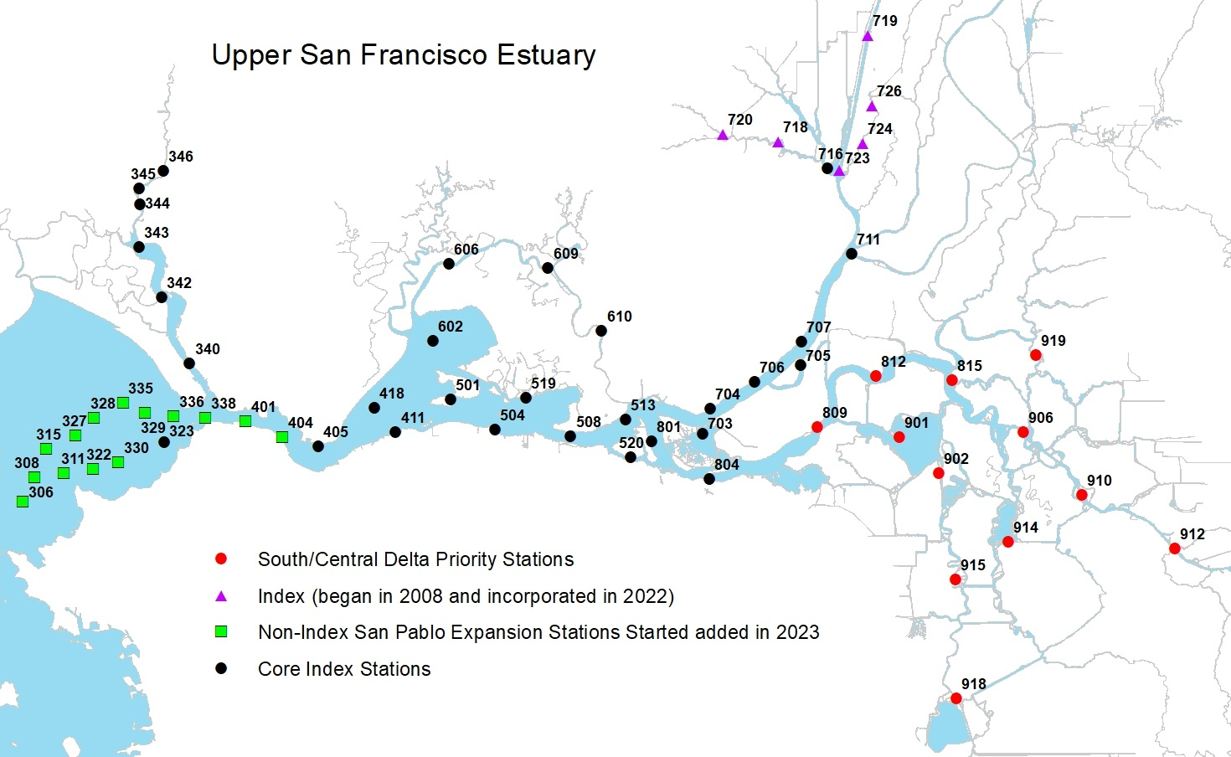
Year | Numerical survey number
Date | Date of sampling
Survey | Numerical survey number
Station | Three digit numberical station number found on station list/map
Time | Recorded in military time when tow begins
TowNum | Tow Number
Common Name | If there is no Longfin Smelt Catch = "No LFS Catch"
Catch | Number of fish of a specific species caught per tow
Region | The specific region the station is in

20-mm Map

